Sheet1
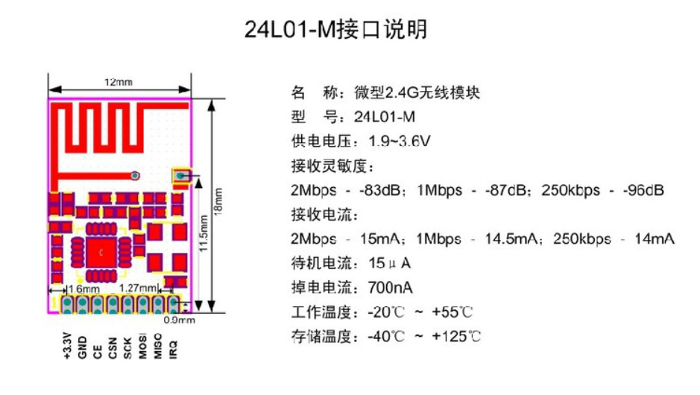
 |  |  | xxxx xxxx xxxxx xxPCS BOM (Sample Bill of Materials)

Item # | *Ref Des | *Qty | Manufacturer | *Mfg Part # | Description / Value | *Package | Type | Your Instructions / Notes | 10sets | 10sets | Comment from PCBWay
1 | J1 | 1 | On-Shore Tec | OSTTA044163 | Screw Terminal Block 1x4 pitch 5.08 | 4POS | thru-hole | or comparable | $1.523 | $15.225 | 5-7work days
2 | F1 | 2 | littlefuse | 1020071 | 2 x Fuse Clip | 2POS | thru-hole | or comparable | $47.670 | $953.400 | 5-7work days | this are fuse clip see https://www.littelfuse.com/products/fuse-blocks-fuseholders-and-fuse-accessories/fuse-clips/102.aspx , my you know a china supplier that can provide souch parts mutch cheaper
3 | U4 | 1 | * | NRF24L01+ SMD | Nrf24L01+ radio module SMD with PCB Antenna | SMD Module | SMD |  | $2.100 | $21.000 | NRF24L01+SMD，U4 is correct
4 | U3 | 1 | Panasonic | AQH3213A | AQH3213 SSR SMT | DIP8 | SMD |  | $2.258 | $22.575 | we provide SMD 5-7WORK DAYS |  | you can find this on mauser.com for 1,55 €
5 | U2 | 1 | Microchip | ATMega328P-AU | ATMega328P-AU | 32TQFP | SMD |  | $1.890 | $18.900
6 | Y1 | 1 | Abracon LLC | AWSCR-8.00CV-T | Resonator 8Mhz inkl 22pf |  | SMD |  | $0.473 | $4.725 | 5-7work days
7 | R1 | 1 |  |  | RES 220 OHM 0603 SMD | 0603 | SMD |  | $0.032 | $0.315
8 | R16, R31 | 1 |  |  | RES 10k 0603 SMD | 0603 | SMD |  | $0.032 | $0.315
9 | U1 | 1 | Hi-Link | HLK-PM03 | compact power module 3.3v | 4POS | thru-hole |  | $3.675 | $36.750
10 | RV1 | 1 | Bourns | MOV-07D391KTR | Varistor 230V | 2POS | thru-hole |  | $0.420 | $4.200 | 5-7work days
11 | C1,C3,C6,C4,C2,C5 | 6 |  |  | CAP CER 100 nF 16V 10% 0603 | 0603 | SMD |  | $0.053 | $3.150
12 | SW1 | 1 | Panasonic | EVQ-PNF05M | Light touch switch SMD | SMT 2P | SMD |  | $0.840 | $8.400 | 7-10work days
13 | J3 | 1 | Harwin | M20-8760342 | Conn Header 6Pos 2.54mm | SMD 6P | SMD |  | $0.578 | $5.775 | 5-7work days
14 | J2 |  |  |  |  |  |  | do not connect |  |  | DNM

Click for Instructions on How to Create a BOM
 |  |  |  | U4 | is correct, this can be used |  |  |  |  | $1,095

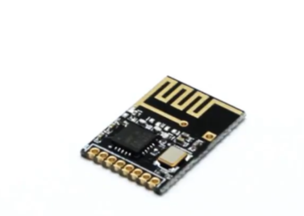
 |  |  |  |  |  |  | Question: | maybe it can be cheaper assembly only top parts ?
 |  |  |  |  |  |  |  | in this case we can remove J1,F1,U1 from this List and i will do it by myself

